Instructions
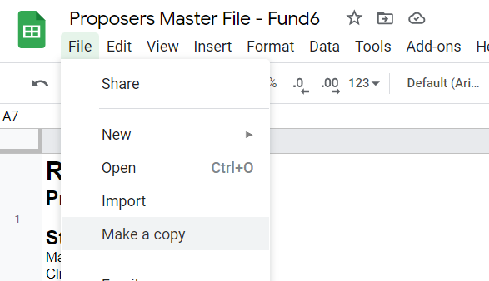 Review of Reviews Proposers Step 1) Make your own copy of this file. Click File -> Make a Copy If you have multiple proposals, you have to repeat this procedure for each proposal.

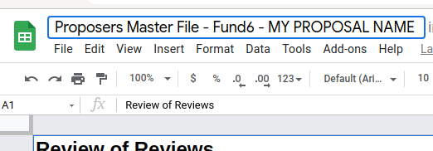 Step 2) Rename the file including the name of your proposal
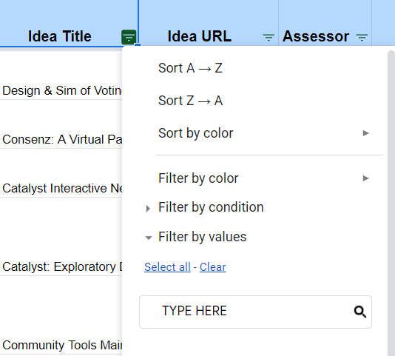
Step 3) (1) Filter Icon ----> Find your proposals and review the assessments To find your proposal click on the Data -> Create a filter To find your proposal click on the Filter icon in the Idea Title header (2) Click Clear ----> (3) Type your proposal name ----> (4) Select your proposal name ----> Some tips: - You can flag the assessments as "Filtered out" if you think they don't comply the guidelines - To flag an assessments you can write an `x` int the "Filtered out" column - If you flag an assessment as "Filtered out", you MUST provide a rationale in the related column - Blank assessments are already flagged automatically and will be excluded - You MUST review only the assessments related to your proposals - You must not change the sheet name or delete / modify columns.
Step 4) Fill the form: Share the document with "Anyone with the link" and fill in this form with your details and the link to your file. 1 form = 1 proposal (for multiple proposals make sure to submit a separte form with a separate uniqure document)

